Datailed Inquiry Information
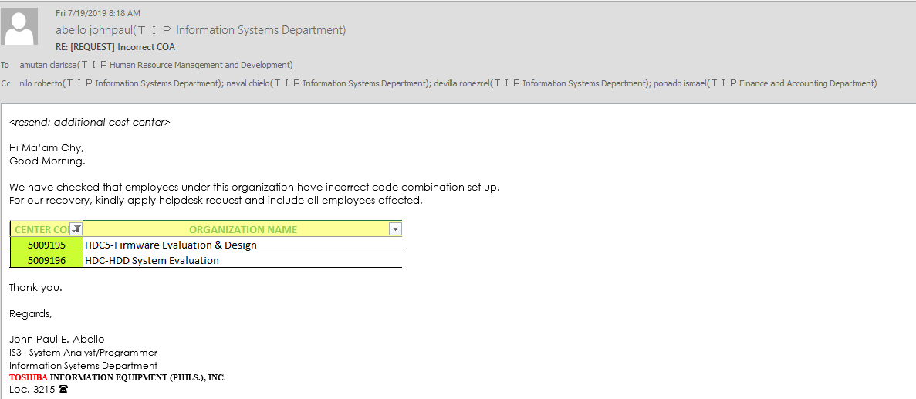
Detailed Inquiry Information

 | PLEASE PROVIDE EVIDENCE OF REQUEST / DETAILS OF REQUEST HERE (IN DETAIL).

 |  | NEW GAIA CENTER CODES
 |  | SBU | SITE | CENTER | EXPENSE | PDT CAT

 | HDC1-Firmware Evaluation & Design | E30 | C20 | 5009195 | 42700000 | X2510
 | HDC1-HDD System Evaluation | E30 | C20 | 5009196 | 42700000 | X2510

 | AFFECTED MEMBERS:
 | HDC1-Firmware Evaluation & Design | 5009195
 | TAGLE | JINJO | 104M0001 | Indirect | Manager
 | IBARBIA | ANDRIE | 111K5322 | Indirect | Engineer
 | CAMBRONERO | EARL MAX | 112B0022 | Indirect | Engineer
 | DICHOSO | BRENT | 114K0006 | Indirect | Chief Specialist
 | DAGANZO | CHARMAINE | 117B0003 | Indirect | Engineer
 | MOTAS | ALJOHN | 117L0004 | Direct | Technician
 | DALAY | JENNY | 118A0003 | Indirect | Engineer
 | TUAZON | RENELYN | 118F0010 | Indirect | Engineer

 | HDC1-HDD System Evaluation | 5009196
 | GONZALES | DAVE RIGOR | 106J0005 | Direct | Technician
 | GONZALES | JERSON | 112C0016 | Indirect | Engineer
 | DEFONTORUM | NIKKI ROSE | 113H0001 | Direct | Technician
 | PAMPLONA | CORRINE DANIELLE MARIE | 114D0004 | Indirect | Engineer
 | ABELEDA | CHARMAINE ANN | 114L0025 | Indirect | Engineer
 | AQUINO | DIAN ROSE | 116L0001 | Indirect | Engineer
 | ESCUDERO | MANOLITO JR. | 117K0003 | Direct | Technician
 | MANALO | SHARLENE | 118F0007 | Direct | Technician
 | VELASQUEZ | JOANNA | 118G0013 | Direct | Technician
 | CASTILLO | ERIKA BIANCA | 119B0001 | Indirect | Engineer
 | JARCIA | JUDYLYN | 119B0006 | Indirect | Engineer
 | UMAHON | CHRISTLER BOIE | 416M0043 | Direct | Technician

Actual Operation Evidence
Actual Operation Evidence

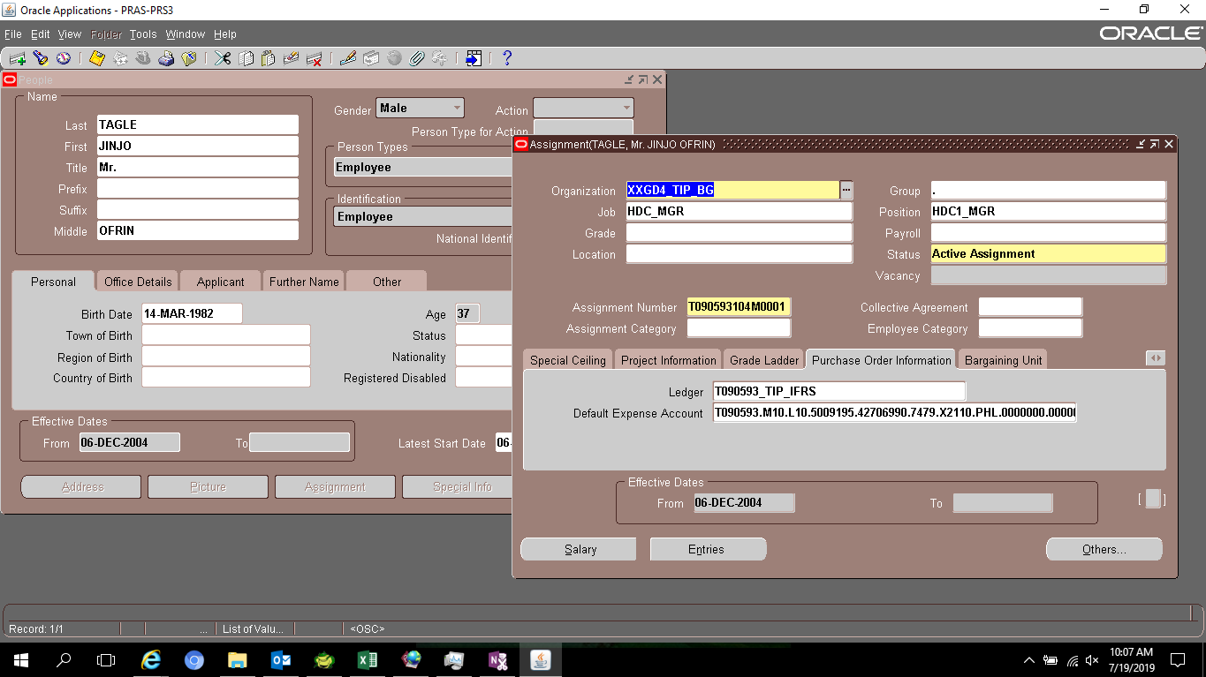

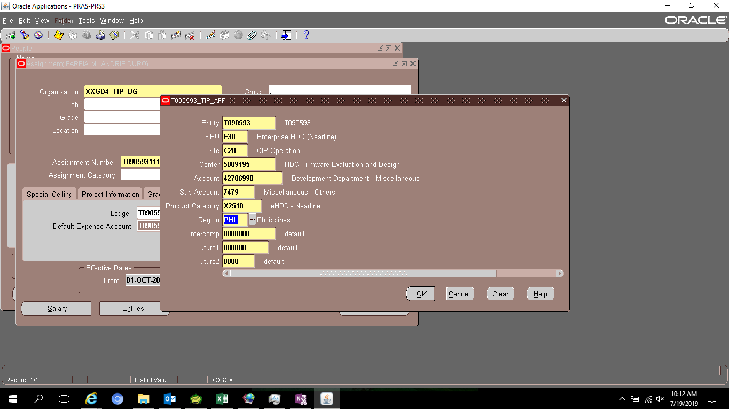

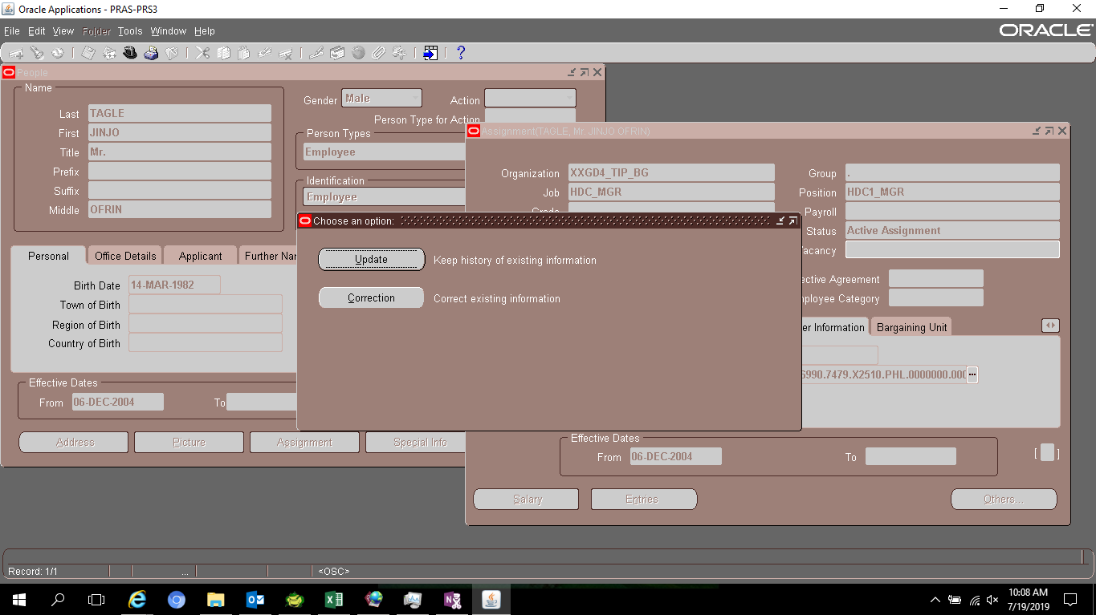

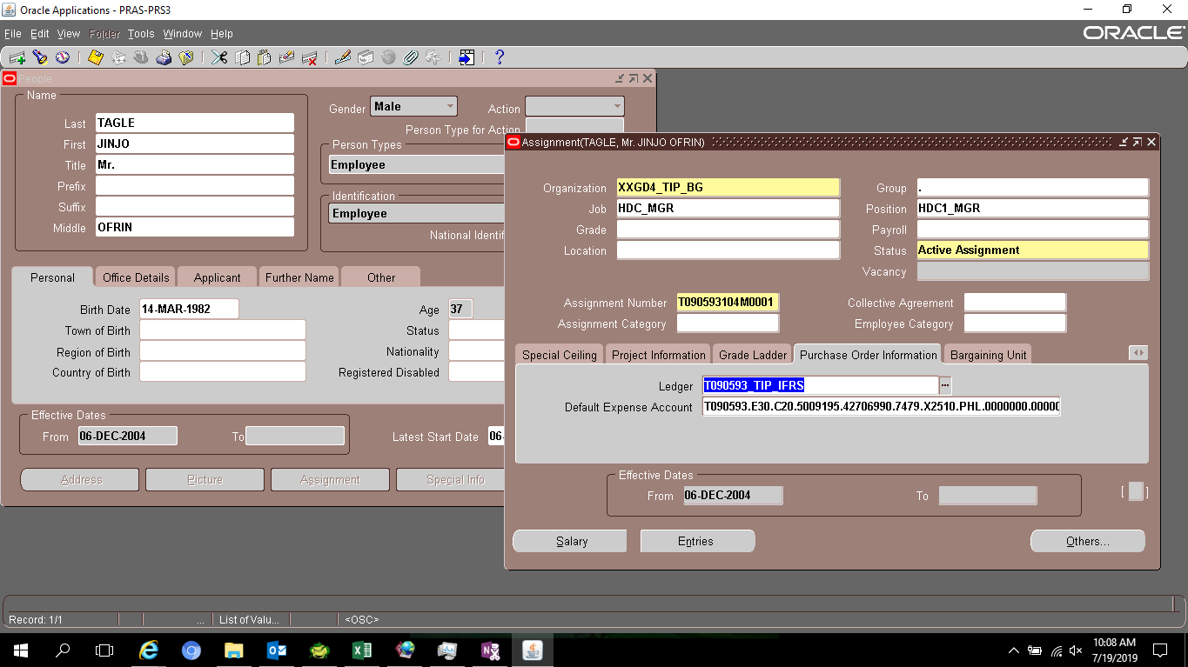

 | FULL_NAME | EMPLOYEE_NUMBER | ASSIGNMENT_ID | CONCATENATED_SEGMENTS | LAST_UPDATE_DATE | ATTRIBUTE28
 | TAGLE, Mr. JINJO OFRIN | T090593104M0001 | 2880 | T090593.E30.C20.5009195.42706990.7479.X2510.PHL.0000000.000000.0000 | 7/19/2019 10:09:14 AM | REGULAR
 | DALANGIN, Ms. VANESSA VINLUAN | T090593110H0023 | 3697 | T090593.M10.L10.5009195.42706990.7479.X2110.PHL.0000000.000000.0000 | 10/5/2018 11:30:42 PM | SEPARATED
 | LIM, Mr. MARK CHRISTOPHER CASTANEDA | T090593111B0009 | 3784 | T090593.M10.L10.5009196.42706990.7479.X2110.PHL.0000000.000000.0000 | 7/17/2018 11:30:37 PM | SEPARATED
 | BASCO, Mr. EDWARD BELEY | T090593108B0017 | 3383 | T090593.M10.L10.5009196.42706990.7479.X2110.PHL.0000000.000000.0000 | 11/12/2016 6:30:28 AM | REGULAR
 | GONZALES, Mr. DAVE RIGOR LABAGUIS | T090593106J0005 | 3889 | T090593.E30.C20.5009196.42706990.7479.X2510.PHL.0000000.000000.0000 | 7/19/2019 10:17:34 AM | REGULAR
 | BALONZO, Mr. THEO MANUEL AZANES | T090593114C0007 | 5447 | T090593.M10.L10.5009196.42706990.7479.X2110.PHL.0000000.000000.0000 | 5/23/2018 11:30:52 PM | SEPARATED
 | PAMPLONA, Ms. CORRINE DANIELLE MARIE TAN | T090593114D0004 | 5450 | T090593.E30.C20.5009196.42706990.7479.X2510.PHL.0000000.000000.0000 | 7/19/2019 10:19:30 AM | REGULAR
 | BACANI, Mr. JASPER PECHON | T090593113F0015 | 5253 | T090593.M10.L10.5009195.42706990.7479.X2110.PHL.0000000.000000.0000 | 5/5/2015 2:05:22 PM | REGULAR
 | DEFONTORUM, Ms. NIKKI ROSE ROXAS | T090593113H0001 | 5413 | T090593.E30.C20.5009196.42706990.7479.X2510.PHL.0000000.000000.0000 | 7/19/2019 10:18:46 AM | REGULAR
 | IBARBIA, Mr. ANDRIE DURO | T090593111K5322 | 5839 | T090593.E30.C20.5009195.42706990.7479.X2510.PHL.0000000.000000.0000 | 7/19/2019 10:12:49 AM | REGULAR
 | AVENIDO, Mr. JONATHAN DAVID BONAFE | T090593112C0022 | 6248 | T090593.M10.L10.5009195.42706990.7479.X2110.PHL.0000000.000000.0000 | 4/28/2016 6:31:09 AM | SEPARATED
 | CAMBRONERO, Mr. EARL MAX QUISOTE | T090593112B0022 | 6212 | T090593.E30.C20.5009195.42706990.7479.X2510.PHL.0000000.000000.0000 | 7/19/2019 10:13:39 AM | REGULAR
 | GONZALES, Mr. JERSON LAYRIT | T090593112C0016 | 6243 | T090593.E30.C20.5009196.42706990.7479.X2510.PHL.0000000.000000.0000 | 7/19/2019 10:18:06 AM | REGULAR
 | LAYAN, Ms. JONILYN ROSE ESTANIEL | T090593112D0054 | 6630 | T090593.M10.L10.5009196.42706990.7479.X2110.PHL.0000000.000000.0000 | 11/12/2016 6:30:26 AM | REGULAR
 | DICHOSO, Mr. BRENT RICO | T090593114K0006 | 12489 | T090593.E30.C20.5009195.42706990.7479.X2510.PHL.0000000.000000.0000 | 7/19/2019 10:14:18 AM | REGULAR
 | ABELEDA, Ms. CHARMAINE ANN ROL | T090593114L0025 | 13856 | T090593.E30.C20.5009196.42706990.7479.X2510.PHL.0000000.000000.0000 | 7/19/2019 10:20:05 AM | REGULAR
 | KO, Mr. ARIS RUBIE VILLAGOMEZ | T090593114M0004 | 13940 | T090593.M10.L10.5009195.42706990.7479.X2110.PHL.0000000.000000.0000 | 8/11/2016 6:31:04 AM | SEPARATED
 | PISAWIS, Ms. REYNALYN CASABERDE | T090593114K0011 | 13214 | T090593.M10.L10.5009196.42706990.7479.X2110.PHL.0000000.000000.0000 | 1/18/2017 6:31:20 AM | SEPARATED
 | AQUINO, Ms. DIAN ROSE DELOS REYES | T090593116L0001 | 18182 | T090593.E30.C20.5009196.42706990.7479.X2510.PHL.0000000.000000.0000 | 7/19/2019 10:20:39 AM | REGULAR
 | DALAY, Ms. JENNY VELASCO | T090593118A0003 | 23825 | T090593.E30.C20.5009195.42706990.7479.X2510.PHL.0000000.000000.0000 | 7/19/2019 10:16:03 AM | REGULAR
 | UMAHON, Mr. CHRISTLER BOIE VICERAL | T090593416M0043 | 18567 | T090593.E30.C20.5009196.42706990.7479.X2510.PHL.0000000.000000.0000 | 7/19/2019 10:24:41 AM | REGULAR
 | DAGANZO, Ms. CHARMAINE SALCEDO | T090593117B0003 | 18988 | T090593.E30.C20.5009195.42706990.7479.X2510.PHL.0000000.000000.0000 | 7/19/2019 10:14:54 AM | REGULAR
 | MOTAS, Mr. ALJOHN PAMPLONA | T090593117L0004 | 23438 | T090593.E30.C20.5009195.42706990.7479.X2510.PHL.0000000.000000.0000 | 7/19/2019 10:15:29 AM | REGULAR
 | ESCUDERO, Mr. MANOLITO JR. GUTIERREZ | T090593117K0003 | 23175 | T090593.E30.C20.5009196.42706990.7479.X2510.PHL.0000000.000000.0000 | 7/19/2019 10:21:33 AM | REGULAR
 | MANALO, Ms. SHARLENE BOLADO | T090593118F0007 | 27745 | T090593.E30.C20.5009196.42706990.7479.X2510.PHL.0000000.000000.0000 | 7/19/2019 10:22:26 AM | REGULAR
 | TUAZON, Ms. RENELYN VITTO | T090593118F0010 | 27769 | T090593.E30.C20.5009195.42706990.7479.X2510.PHL.0000000.000000.0000 | 7/19/2019 10:16:41 AM | REGULAR
 | VELASQUEZ, Ms. JOANNA AMORANTO | T090593118G0013 | 28065 | T090593.E30.C20.5009196.42706990.7479.X2510.PHL.0000000.000000.0000 | 7/19/2019 10:22:58 AM | REGULAR
 | CASTILLO, Ms. ERIKA BIANCA DIMAUNAHAN | T090593119B0001 | 31501 | T090593.E30.C20.5009196.42706990.7479.X2510.PHL.0000000.000000.0000 | 7/19/2019 10:23:31 AM | PROBATIONARY
 | JARCIA, Ms. JUDYLYN AGUILAR | T090593119B0006 | 31506 | T090593.E30.C20.5009196.42706990.7479.X2510.PHL.0000000.000000.0000 | 7/19/2019 10:24:04 AM | PROBATIONARY

 | T090593.E30.C20.5009195.42706990.7479.X2510.PHL.0000000.000000.0000
 | T090593.E30.C20.5009196.42706990.7479.X2510.PHL.0000000.000000.0000

Helpdesk Request
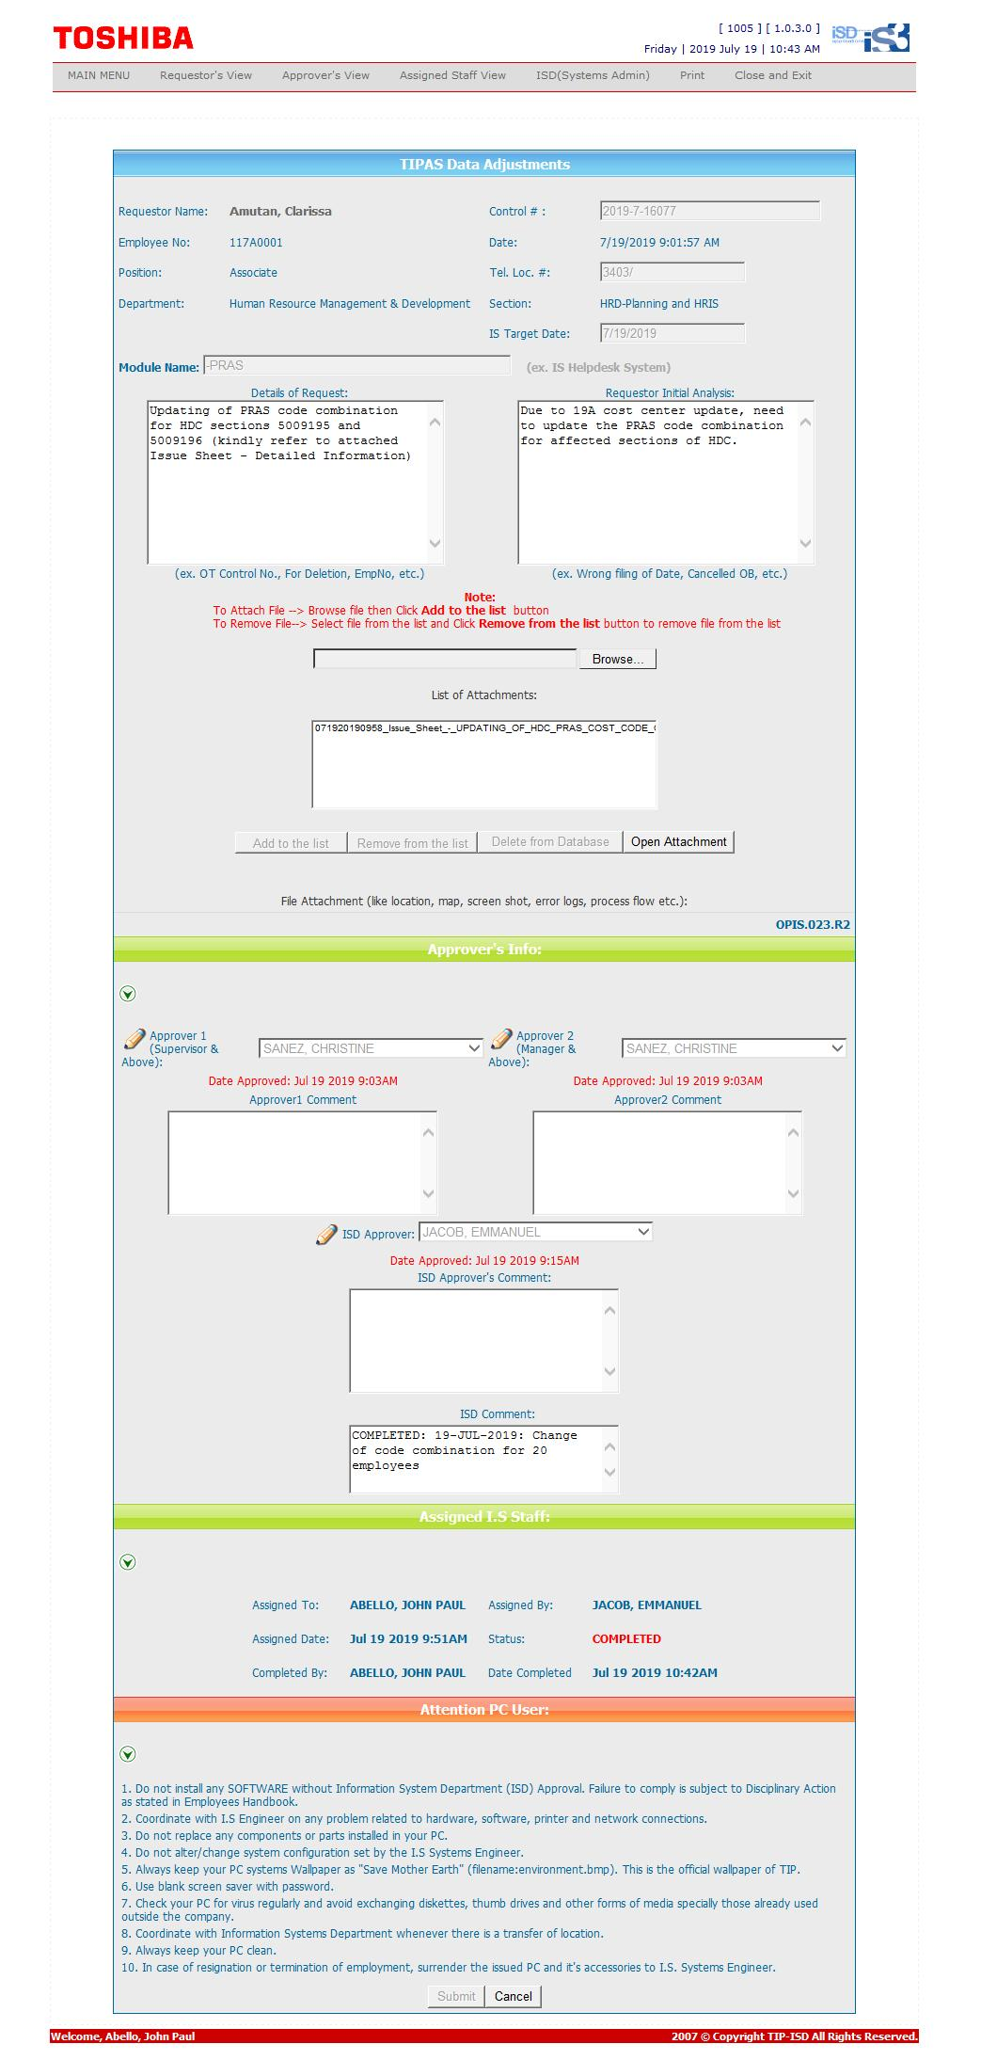
Helpdesk Request

 | ATTACH SCREENSHOT OF HELPDESK REQUEST.

